TestCase
TC#ID | Project/ModuleName | Req#ID | Scenario | Test Case Title | Steps | Test Data | Expected Result | Actual Result | Status(Passed or Failed)
TC_MyInfo_001 | Orange HRM-MyInfo | 3.1.1 | ESS user login | Verify login with valid ESS username and valid password | 1)Launch browser 2)Open URL "https://opensource-demo.orangehrmlive.com/" 3)Provide valid ESS username 4)Provide valid password 5) Click on Login button | Dhaka5432/Dhaka5432 | Login is successful. ESS user should see Myinfo page after login is successful. | Dashboard ia displayed after login is succcessful instead of MyInfo page | Failed(P3)
TC_MyInfo_002 | Orange HRM-MyInfo | 3.1.1 | ESS user login | Verify login with valid ESS username and invalid password | 1)Launch browser 2)Open URL "https://opensource-demo.orangehrmlive.com/ " 3)Provide valid ESS username 4)Provide invalid password 5) Click on Login button | Dhaka5432/fghfhgdh | Invalid credentials | As expected | Passed
TC_MyInfo_003 | Orange HRM-MyInfo | 3.1.1 | ESS user login | Verify login with invalid ESS username and valid password | 1)Launch browser 2)Open URL " https://opensource-demo.orangehrmlive.com/ " 3)Provide invalid ESS username 4)Provide valid password 5) Click on Login button | fghfhgdh/Dhaka5432 | Invalid credentials | As expected | Passed
TC_MyInfo_004 | Orange HRM-MyInfo | 3.1.1 | ESS user login | Verify login with invalid ESS username and invalid password | 1)Launch browser 2)Open URL " https://opensource-demo.orangehrmlive.com/ " 3)Provide invalid ESS username 4)Provide invalid password 5) Click on Login button | fghfhgdh/fghfhgdh | Invalid credentials | As expected | Passed
TC_MyInfo_005 | Orange HRM-MyInfo | 3.1.1 | ESS user can view personal details | Verify ESS user can view personal details | 1)Login to OrangeHRM as ESS user 2)Click on MyInfo tab 3)Click on Personal Details link | NA | User should able to view personal details | As expected | Passed
TC_MyInfo_006 | Orange HRM-MyInfo | 3.1.1 | ESS user can edit personal details | Verify ESS user can edit some fields in pesonal details | 1)Login to OrangeHRM as ESS user 2)Click on MyInfo tab 3)Click on Personal Details link 4)Click on Edit button 5)Edit FullName/Middle Name,Last Name,License Expiry Date,Gender,Marital Status and Nationality | NA | User should able to edit and save details | As expected | Passed
TC_MyInfo_007 | Orange HRM-MyInfo | 3.1.1 | ESS user cannot edit restricted fields in personal details | Verify ESS user cannot edit restricted fields | 1)Login to OrangeHRM as ESS user 2)Click on MyInfo tab 3)Click on Personal Details link 4)Click on Edit button | NA | The following fields should be non-editable. Employee ID SSN No SIN No Driver License No Date of birth | As expected Clarification required on SSN No( Not visible on Myinfo-->Personal details page) | Partially passed
TC_MyInfo_008 | Orange HRM-MyInfo | 3.1.3 | ESS user can view Contact Details | Verify ESS user is able to view contact details | 1)Login to OrangeHRM as ESS user 2)Click on MyInfo tab 3)Click on Contact Details link | 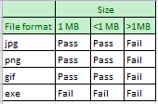 NA | User should able to view contact details | As expected | Passed
TC_MyInfo_009 | Orange HRM-MyInfo | 3.1.3 | ESS user can edit Contact Details | Verify ESS user can edit some fields in Contact Details | 1)Login to OrangeHRM as ESS user 2)Click on MyInfo tab 3)Click on Contact Details link 4)Click on Edit button 5)Edit fields Address Streat1, Address Streat2,City,State,Zip,Country,telephone,Mobile,Work Telephone,Work Email and other Email 6)Click on Save button | NA | User should edit and save contact details | As expected | Passed
TC_MyInfo_010 | Orange HRM-MyInfo | 3.1.4 | ESS user can add Emergency Contact | Verify ESS user can add Emergency Contact | 1)Login to OrangeHRM as ESS user 2)Click on MyInfo tab 3)Click on Emergency Contact link 4)Click on Add button 5)Provide Emergency Contact details Name(Mandatory filed) | NA | Successfully saved Details should be appeared under Emergency Contacts table. | As expected | Passed
TC_MyInfo_011 | Orange HRM-MyInfo | 3.1.4 | ESS user can add multiple Emergency Contact | Verify ESS user can add multiple Emergency Contacts | Repeat steps from TC_MyInfo_011 | NA | Successfully saved Multiple Emergency Contact Details should be Appeared under EmergencyContacts table. | As expected | Passed
TC_MyInfo_012 | Orange HRM-MyInfo | 3.1.4 | ESS user can delete multiple Emergency Contact | Verify ESS user can delete multiple Emergency Contacts | 1)Login to OrangeHRM as ESS user 2)Click on MyInfo tab 3)Click on Emergency Contacts link 4)Click on the checkbox next to particular entry 5)Click on Delete button | NA | Successfully Deleted Entries should disappear from Emergency Contacts table. | As expected | Passed
TC_MyInfo_013 | Orange HRM-MyInfo | 3.1.5 | ESS user can add Depandant | Verify ESS user can able to add Depandant | 1)Login to OrangeHRM as ESS user 2)Click on MyInfo tab 3)Click on Depandants link 4)Click on Add button under Assigned Depandants 5)Provide details Name(mandatory field) Relationship(Select from drop down) Date of Birth 6)Click on Save button | NA | Successfully saved Depandant details should be appeared under assign ed dependants table. | As expected | Passed
TC_MyInfo_014 | Orange HRM-MyInfo | 3.1.5 | ESS user can add multiple Depandants | Verify ESS user can able to add mutiple Depandants | Repeat steps from TC_MyInfo_014 | NA | Successfully saved Depandant details should be appeared under assign ed dependants table. | As expected | Passed
TC_MyInfo_015 | Orange HRM-MyInfo | 3.1.5 | ESS user can delete depandants | Verify ESS user can delete Depandants | 1)1)Login to OrangeHRM as ESS user 2)Click on MyInfo tab 3)Click on Depandants link 4)Click on the checkbox next to particular entry | NA | Successfully Deleted Entries should disappear from Assigned Dependants table. | As expected | Passed

Bug Report
Bug ID | Module Name | Bulid No | Description | TCID | Steps to replicate bug | Screenshot | Sevirity | Priority | Reported By | Assigned to | Resolution | Status | Fixed Date
ORHRM_001 | Orange HRM-MyInfo | 1 | Dashboard is displayed after login is successful instead of MyInfo page | TC_MyInfo_001 | 1)Launch browser 2)Open URL" https://opensource-demo.orangehrmlive.com/" 3)Provide valid ESS username 4)Provide valid password 5) Click on Login button | 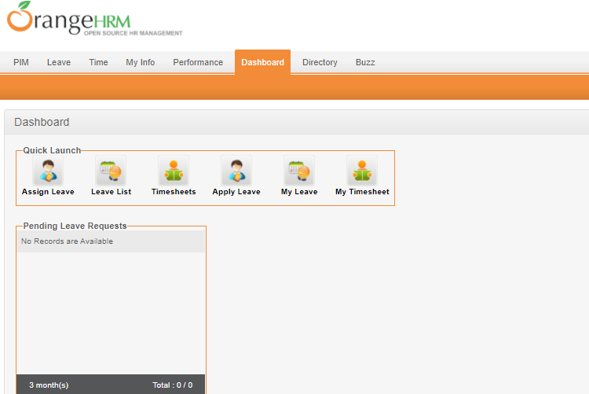 | S3 | P3 | Tasnuva | Sadat

